Sheet4
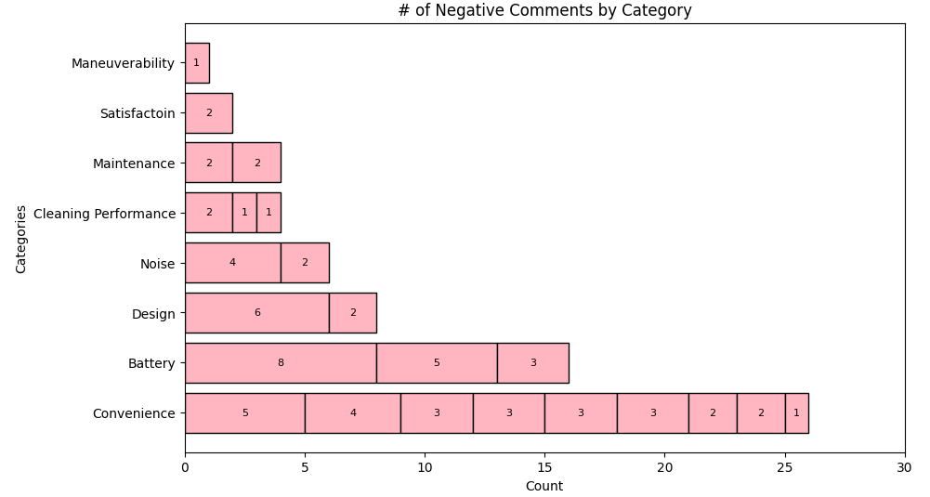
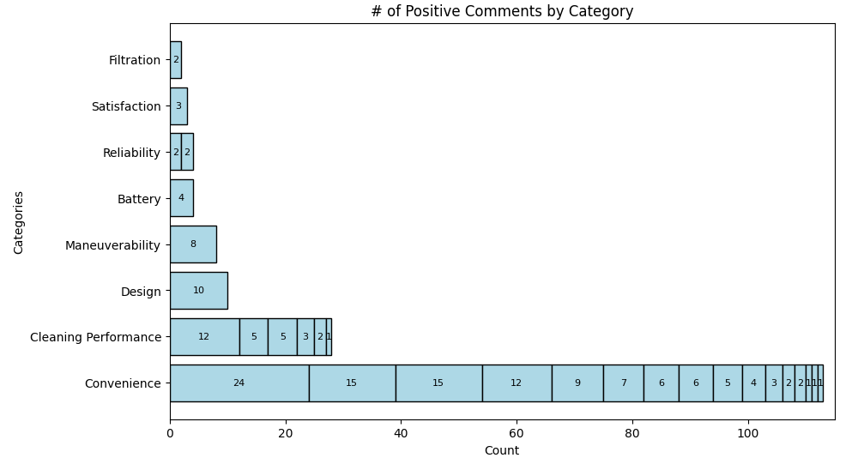
Adequate battery life
Appearance / Design
Filtration System
Maneuverability
Sturdy/Reliable
Packaging
Value for Price

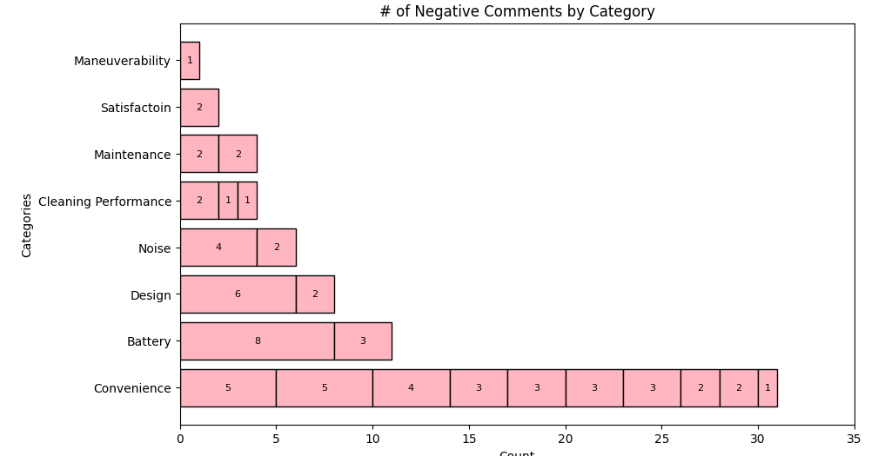

 | Count of RATING
1 | 1
2 | 0
3 | 3
4 | 7
5 | 20
Avg.: 4.45

